Sheet1ARCHAEOL
Compound Calibration Report

Lab Name: | OGL |  |  | Method: | IPLsWithWaterSamples_FS_08-21-2018_Q-Cal_IPLsWithWaterSamples_Q_08-21_2018_FS
Instrument: | QEFocus |  |  |  | IPLsWithWaterSamples_Q_08-21_2018_FS
User: | Thermo |  |  | Cali File: | IPLsWithWaterSamples_FS_08-21-2018_Q-Cal.calx
Batch: | IPLsWithWaterSamples_FS_08-21-2018_Q-Cal

 |  |  | Compound Name: |  | ARCHAEOL
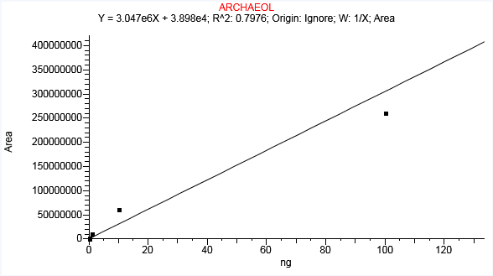

Linear
Fail AR
Level | Std_Amount | Std_Area | IS Amount | IS Area | Resp factor/ ratio | Calc_Amount | Units | % CV | % RSD
L1 | 100 | 261784507 |  |  | 2617845.071 | 85.916 | ng | N/A | N/A
L2 | 10 | 62219718 |  |  | 6221971.804 | 20.41 | ng | N/A | N/A | A
L3 | 1 | 11695761 |  |  | 11695760.783 | 3.826 | ng | N/A | N/A | A
L4 | 0.1 | 2926717 |  |  | 29267165.506 | 0.948 | ng | N/A | N/A | A
L5 | 0.01 | 108409 |  |  | 10840896.699 | 0.023 | ng | N/A | N/A | A
L6 | 0.001 | 941 |  |  | 941328.229 | -0.012 | ng | N/A | N/A | A

Sheet1MGDG
Compound Calibration Report

Lab Name: | OGL |  |  | Method: | IPLsWithWaterSamples_FS_08-21-2018_Q-Cal_IPLsWithWaterSamples_Q_08-21_2018_FS
Instrument: | QEFocus |  |  |  | IPLsWithWaterSamples_Q_08-21_2018_FS
User: | Thermo |  |  | Cali File: | IPLsWithWaterSamples_FS_08-21-2018_Q-Cal.calx
Batch: | IPLsWithWaterSamples_FS_08-21-2018_Q-Cal

 |  |  | Compound Name: |  | MGDG
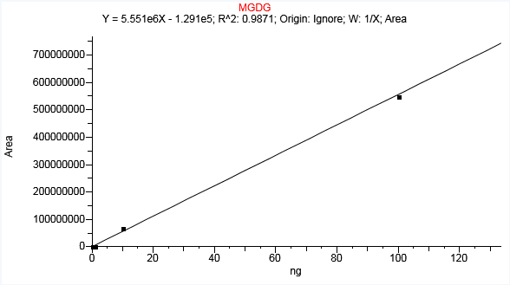

 |  |  |  |  |  |  |  |  |  | 25.945945946

Linear
Fail AR
Level | Std_Amount | Std_Area | IS Amount | IS Area | Resp factor/ ratio | Calc_Amount | Units | % CV | % RSD
L1 | 100 | 548892668 |  |  | 5488926.681 | 98.906 | ng | N/A | N/A
L2 | 10 | 67074985 |  |  | 6707498.542 | 12.107 | ng | N/A | N/A | A
L3 | 1 | 42205 |  |  | 42204.577 | 0.031 | ng | N/A | N/A | A
L4 | 0.1 | 109210 |  |  | 1092099.561 | 0.043 | ng | N/A | N/A | A
L5 | 0.01 | 748 |  |  | 74754.862 | 0.023 | ng | N/A | N/A | A
L6 | 0.001 | N/F |  | N/F | N/F | N/F | ng | N/A | N/A

Sheet11-GLC-CER
Compound Calibration Report

Lab Name: | OGL |  |  | Method: | IPLsWithWaterSamples_FS_08-21-2018_Q-Cal_IPLsWithWaterSamples_Q_08-21_2018_FS
Instrument: | QEFocus |  |  |  | IPLsWithWaterSamples_Q_08-21_2018_FS
User: | Thermo |  |  | Cali File: | IPLsWithWaterSamples_FS_08-21-2018_Q-Cal.calx
Batch: | IPLsWithWaterSamples_FS_08-21-2018_Q-Cal

 |  |  | Compound Name: |  | 1-GLC-CER
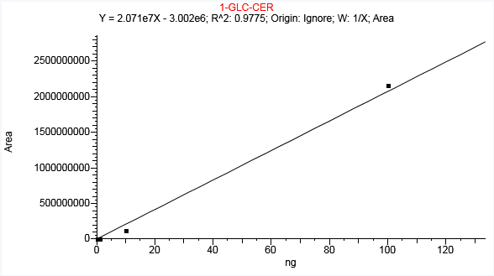

Linear
Fail AR
Level | Std_Amount | Std_Area | IS Amount | IS Area | Resp factor/ ratio | Calc_Amount | Units | % CV | % RSD
L1 | 100 | 2162193623 |  |  | 21621936.233 | 104.549 | ng | N/A | N/A
L2 | 10 | 124978879 |  |  | 12497887.873 | 6.18 | ng | N/A | N/A | A
L3 | 1 | 163257 |  |  | 163257.284 | 0.153 | ng | N/A | N/A | A
L4 | 0.1 | 1520153 |  |  | 15201534.293 | 0.218 | ng | N/A | N/A | A
L5 | 0.01 | N/F |  | N/F | N/F | N/F | ng | N/A | N/A
L6 | 0.001 | N/F |  | N/F | N/F | N/F | ng | N/A | N/A

Sheet1DGTS
Compound Calibration Report

Lab Name: | OGL |  |  | Method: | IPLsWithWaterSamples_FS_08-21-2018_Q-Cal_IPLsWithWaterSamples_Q_08-21_2018_FS
Instrument: | QEFocus |  |  |  | IPLsWithWaterSamples_Q_08-21_2018_FS
User: | Thermo |  |  | Cali File: | IPLsWithWaterSamples_FS_08-21-2018_Q-Cal.calx
Batch: | IPLsWithWaterSamples_FS_08-21-2018_Q-Cal

 |  |  | Compound Name: |  | DGTS
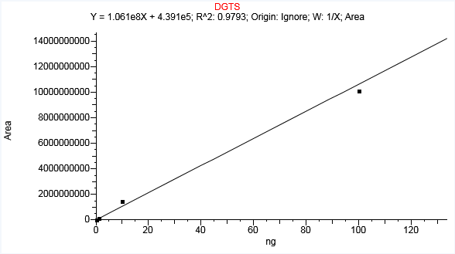

Linear
Fail AR
Level | Std_Amount | Std_Area | IS Amount | IS Area | Resp factor/ ratio | Calc_Amount | Units | % CV | % RSD
L1 | 100 | 10123845549 |  |  | 101238455.49 | 95.441 | ng | N/A | N/A
L2 | 10 | 1495205438 |  |  | 149520543.76 | 14.092 | ng | N/A | N/A | A
L3 | 1 | 135156856 |  |  | 135156856.37 | 1.27 | ng | N/A | N/A | A
L4 | 0.1 | 31574559 |  |  | 315745592 | 0.294 | ng | N/A | N/A | A
L5 | 0.01 | 2182363 |  |  | 218236332.48 | 0.016 | ng | N/A | N/A | A
L6 | 0.001 | 204399 |  |  | 204399138.83 | -0.002 | ng | N/A | N/A | A

Sheet1C16PDME
Compound Calibration Report

Lab Name: | OGL |  |  | Method: | IPLsWithWaterSamples_FS_08-21-2018_Q-Cal_IPLsWithWaterSamples_Q_08-21_2018_FS
Instrument: | QEFocus |  |  |  | IPLsWithWaterSamples_Q_08-21_2018_FS
User: | Thermo |  |  | Cali File: | IPLsWithWaterSamples_FS_08-21-2018_Q-Cal.calx
Batch: | IPLsWithWaterSamples_FS_08-21-2018_Q-Cal

 |  |  | Compound Name: |  | C16PDME
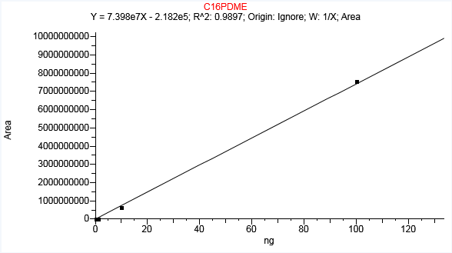

Linear
Fail AR
Level | Std_Amount | Std_Area | IS Amount | IS Area | Resp factor/ ratio | Calc_Amount | Units | % CV | % RSD
L1 | 100 | 7555432044 |  |  | 75554320.438 | 102.135 | ng | N/A | N/A
L2 | 10 | 658570531 |  |  | 65857053.065 | 8.905 | ng | N/A | N/A
L3 | 1 | 2335153 |  |  | 2335152.535 | 0.035 | ng | N/A | N/A | A
L4 | 0.1 | 1960105 |  |  | 19601045.839 | 0.029 | ng | N/A | N/A | A
L5 | 0.01 | 34884 |  |  | 3488357.811 | 0.003 | ng | N/A | N/A | A
L6 | 0.001 | 34614 |  |  | 34613951.362 | 0.003 | ng | N/A | N/A | A

Sheet1C16PA
Compound Calibration Report

Lab Name: | OGL |  |  | Method: | IPLsWithWaterSamples_FS_08-21-2018_Q-Cal_IPLsWithWaterSamples_Q_08-21_2018_FS
Instrument: | QEFocus |  |  |  | IPLsWithWaterSamples_Q_08-21_2018_FS
User: | Thermo |  |  | Cali File: | IPLsWithWaterSamples_FS_08-21-2018_Q-Cal.calx
Batch: | IPLsWithWaterSamples_FS_08-21-2018_Q-Cal

 |  |  | Compound Name: |  | C16PA
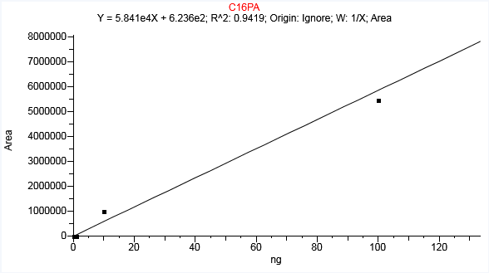

Linear
Fail AR
Level | Std_Amount | Std_Area | IS Amount | IS Area | Resp factor/ ratio | Calc_Amount | Units | % CV | % RSD
L1 | 100 | 5472080 |  |  | 54720.802 | 93.67 | ng | N/A | N/A
L2 | 10 | 1015607 |  |  | 101560.668 | 17.376 | ng | N/A | N/A | A
L3 | 1 | 1367 |  |  | 1366.833 | 0.013 | ng | N/A | N/A | A
L4 | 0.1 | 2966 |  |  | 29663.152 | 0.04 | ng | N/A | N/A | A
L5 | 0.01 | N/F |  | N/F | N/F | N/F | ng | N/A | N/A
L6 | 0.001 | 735 |  |  | 735293.465 | 0.002 | ng | N/A | N/A | A

Sheet1C16PME
Compound Calibration Report

Lab Name: | OGL |  |  | Method: | IPLsWithWaterSamples_FS_08-21-2018_Q-Cal_IPLsWithWaterSamples_Q_08-21_2018_FS
Instrument: | QEFocus |  |  |  | IPLsWithWaterSamples_Q_08-21_2018_FS
User: | Thermo |  |  | Cali File: | IPLsWithWaterSamples_FS_08-21-2018_Q-Cal.calx
Batch: | IPLsWithWaterSamples_FS_08-21-2018_Q-Cal

 |  |  | Compound Name: |  | C16PME
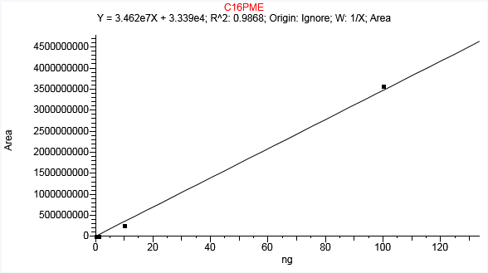

Linear
Fail AR
Level | Std_Amount | Std_Area | IS Amount | IS Area | Resp factor/ ratio | Calc_Amount | Units | % CV | % RSD
L1 | 100 | 3568073253 |  |  | 35680732.531 | 103.071 | ng | N/A | N/A
L2 | 10 | 275364901 |  |  | 27536490.144 | 7.954 | ng | N/A | N/A | A
L3 | 1 | 1119129 |  |  | 1119129.369 | 0.031 | ng | N/A | N/A | A
L4 | 0.1 | 1696978 |  |  | 16969781.782 | 0.048 | ng | N/A | N/A | A
L5 | 0.01 | 150497 |  |  | 15049731.144 | 0.003 | ng | N/A | N/A | A
L6 | 0.001 | 148449 |  |  | 148449331.12 | 0.003 | ng | N/A | N/A | A

Sheet1C16-PE
Compound Calibration Report

Lab Name: | OGL |  |  | Method: | IPLsWithWaterSamples_FS_08-21-2018_Q-Cal_IPLsWithWaterSamples_Q_08-21_2018_FS
Instrument: | QEFocus |  |  |  | IPLsWithWaterSamples_Q_08-21_2018_FS
User: | Thermo |  |  | Cali File: | IPLsWithWaterSamples_FS_08-21-2018_Q-Cal.calx
Batch: | IPLsWithWaterSamples_FS_08-21-2018_Q-Cal

 |  |  | Compound Name: |  | C16-PE
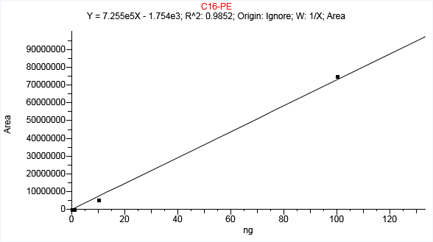

Linear
Fail AR
Level | Std_Amount | Std_Area | IS Amount | IS Area | Resp factor/ ratio | Calc_Amount | Units | % CV | % RSD
L1 | 100 | 75005271 |  |  | 750052.712 | 103.386 | ng | N/A | N/A
L2 | 10 | 5554967 |  |  | 555496.682 | 7.659 | ng | N/A | N/A | A
L3 | 1 | 10752 |  |  | 10752.238 | 0.017 | ng | N/A | N/A | A
L4 | 0.1 | 24244 |  |  | 242440.323 | 0.036 | ng | N/A | N/A | A
L5 | 0.01 | N/F |  | N/F | N/F | N/F | ng | N/A | N/A
L6 | 0.001 | 295 |  |  | 295179.114 | 0.003 | ng | N/A | N/A | A

Sheet1C16-PG
Compound Calibration Report

Lab Name: | OGL |  |  | Method: | IPLsWithWaterSamples_FS_08-21-2018_Q-Cal_IPLsWithWaterSamples_Q_08-21_2018_FS
Instrument: | QEFocus |  |  |  | IPLsWithWaterSamples_Q_08-21_2018_FS
User: | Thermo |  |  | Cali File: | IPLsWithWaterSamples_FS_08-21-2018_Q-Cal.calx
Batch: | IPLsWithWaterSamples_FS_08-21-2018_Q-Cal

 |  |  | Compound Name: |  | C16-PG
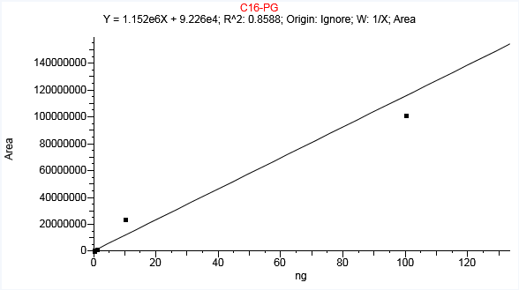

Linear
Fail AR
Level | Std_Amount | Std_Area | IS Amount | IS Area | Resp factor/ ratio | Calc_Amount | Units | % CV | % RSD
L1 | 100 | 101388384 |  |  | 1013883.837 | 87.932 | ng | N/A | N/A
L2 | 10 | 24151049 |  |  | 2415104.908 | 20.885 | ng | N/A | N/A | A
L3 | 1 | 1815133 |  |  | 1815132.615 | 1.496 | ng | N/A | N/A | A
L4 | 0.1 | 983765 |  |  | 9837648.106 | 0.774 | ng | N/A | N/A | A
L5 | 0.01 | 131745 |  |  | 13174536.48 | 0.034 | ng | N/A | N/A | A
L6 | 0.001 | 81168 |  |  | 81168140.811 | -0.01 | ng | N/A | N/A | A

Sheet1SQ-DAG
Compound Calibration Report

Lab Name: | OGL |  |  | Method: | IPLsWithWaterSamples_FS_08-21-2018_Q-Cal_IPLsWithWaterSamples_Q_08-21_2018_FS
Instrument: | QEFocus |  |  |  | IPLsWithWaterSamples_Q_08-21_2018_FS
User: | Thermo |  |  | Cali File: | IPLsWithWaterSamples_FS_08-21-2018_Q-Cal.calx
Batch: | IPLsWithWaterSamples_FS_08-21-2018_Q-Cal

 |  |  | Compound Name: |  | SQ-DAG
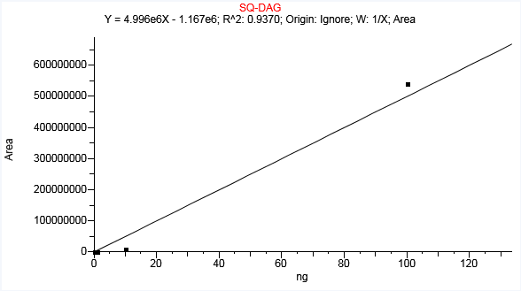

Linear
Fail AR
Level | Std_Amount | Std_Area | IS Amount | IS Area | Resp factor/ ratio | Calc_Amount | Units | % CV | % RSD
L1 | 100 | 539848835 |  |  | 5398488.354 | 108.292 | ng | N/A | N/A
L2 | 10 | 10441552 |  |  | 1044155.215 | 2.324 | ng | N/A | N/A | A
L3 | 1 | 29814 |  |  | 29813.623 | 0.24 | ng | N/A | N/A | A
L4 | 0.1 | 54620 |  |  | 546202.622 | 0.245 | ng | N/A | N/A | A
L5 | 0.01 | N/F |  | N/F | N/F | N/F | ng | N/A | N/A
L6 | 0.001 | N/F |  | N/F | N/F | N/F | ng | N/A | N/A

Sheet1PC-ARCHAEOL
Compound Calibration Report

Lab Name: | OGL |  |  | Method: | IPLsWithWaterSamples_FS_08-21-2018_Q-Cal_IPLsWithWaterSamples_Q_08-21_2018_FS
Instrument: | QEFocus |  |  |  | IPLsWithWaterSamples_Q_08-21_2018_FS
User: | Thermo |  |  | Cali File: | IPLsWithWaterSamples_FS_08-21-2018_Q-Cal.calx
Batch: | IPLsWithWaterSamples_FS_08-21-2018_Q-Cal

 |  |  | Compound Name: |  | PC-ARCHAEOL
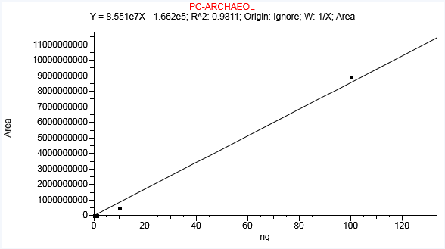

Linear
Fail AR
Level | Std_Amount | Std_Area | IS Amount | IS Area | Resp factor/ ratio | Calc_Amount | Units | % CV | % RSD
L1 | 100 | 8938912549 |  |  | 89389125.492 | 104.533 | ng | N/A | N/A
L2 | 10 | 528437271 |  |  | 52843727.118 | 6.181 | ng | N/A | N/A | A
L3 | 1 | 27028423 |  |  | 27028422.781 | 0.318 | ng | N/A | N/A | A
L4 | 0.1 | 5759041 |  |  | 57590409.595 | 0.069 | ng | N/A | N/A | A
L5 | 0.01 | 417983 |  |  | 41798254.356 | 0.007 | ng | N/A | N/A | A
L6 | 0.001 | 59771 |  |  | 59770910.798 | 0.003 | ng | N/A | N/A | A

Sheet1PE-AR
Compound Calibration Report

Lab Name: | OGL |  |  | Method: | IPLsWithWaterSamples_FS_08-21-2018_Q-Cal_IPLsWithWaterSamples_Q_08-21_2018_FS
Instrument: | QEFocus |  |  |  | IPLsWithWaterSamples_Q_08-21_2018_FS
User: | Thermo |  |  | Cali File: | IPLsWithWaterSamples_FS_08-21-2018_Q-Cal.calx
Batch: | IPLsWithWaterSamples_FS_08-21-2018_Q-Cal

 |  |  | Compound Name: |  | PE-AR
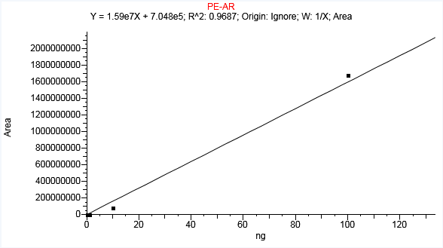

Linear
Fail AR
Level | Std_Amount | Std_Area | IS Amount | IS Area | Resp factor/ ratio | Calc_Amount | Units | % CV | % RSD
L1 | 100 | 1682038473 |  |  | 16820384.733 | 105.769 | ng | N/A | N/A
L2 | 10 | 85049952 |  |  | 8504995.156 | 5.306 | ng | N/A | N/A | A
L3 | 1 | 909556 |  |  | 909556.3 | 0.013 | ng | N/A | N/A | A
L4 | 0.1 | 908543 |  |  | 9085432.536 | 0.013 | ng | N/A | N/A | A
L5 | 0.01 | 806113 |  |  | 80611254.585 | 0.006 | ng | N/A | N/A | A
L6 | 0.001 | 762513 |  |  | 762512809.58 | 0.004 | ng | N/A | N/A | A

Sheet1C21-PC
Compound Calibration Report

Lab Name: | OGL |  |  | Method: | IPLsWithWaterSamples_FS_08-21-2018_Q-Cal_IPLsWithWaterSamples_Q_08-21_2018_FS
Instrument: | QEFocus |  |  |  | IPLsWithWaterSamples_Q_08-21_2018_FS
User: | Thermo |  |  | Cali File: | IPLsWithWaterSamples_FS_08-21-2018_Q-Cal.calx
Batch: | IPLsWithWaterSamples_FS_08-21-2018_Q-Cal

 |  |  | Compound Name: |  | C21-PC
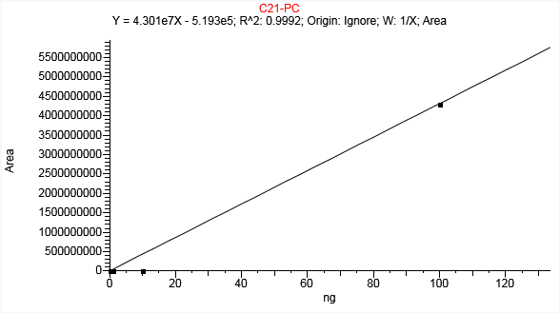

Linear
Fail A
Level | Std_Amount | Std_Area | IS Amount | IS Area | Resp factor/ ratio | Calc_Amount | Units | % CV | % RSD
L1 | 100 | 4304292261 |  |  | 43042922.608 | 100.078 | ng | N/A | N/A
L2 | 0.1 | 48590 |  | N/F | N/F | N/F | ng | N/A | N/A
L3 | 0.01 | 283879 |  | N/F | N/F | N/F | ng | N/A | N/A
L4 | 0.001 | N/F |  |  | 485900.211 | 0.013 | ng | N/A | N/A | A
L5 |  |  |  |  | 28387858.353 | 0.019 | ng | N/A | N/A | A
L6 |  |  |  | N/F | N/F | N/F | ng | N/A | N/A

Sheet1C16-PC
Compound Calibration Report

Lab Name: | OGL |  |  | Method: | IPLsWithWaterSamples_FS_08-21-2018_Q-Cal_IPLsWithWaterSamples_Q_08-21_2018_FS
Instrument: | QEFocus |  |  |  | IPLsWithWaterSamples_Q_08-21_2018_FS
User: | Thermo |  |  | Cali File: | IPLsWithWaterSamples_FS_08-21-2018_Q-Cal.calx
Batch: | IPLsWithWaterSamples_FS_08-21-2018_Q-Cal

 |  |  | Compound Name: |  | C16-PC
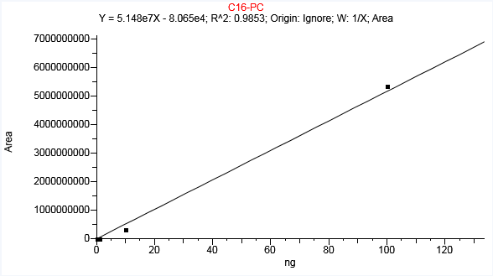

Linear
Fail AR
Level | Std_Amount | Std_Area | IS Amount | IS Area | Resp factor/ ratio | Calc_Amount | Units | % CV | % RSD
L1 | 100 | 5351319346 |  |  | 53513193.455 | 103.956 | ng | N/A | N/A
L2 | 10 | 344419055 |  |  | 34441905.493 | 6.692 | ng | N/A | N/A | A
L3 | 1 | 18993380 |  |  | 18993379.81 | 0.371 | ng | N/A | N/A | A
L4 | 0.1 | 4095046 |  |  | 40950460.923 | 0.081 | ng | N/A | N/A
L5 | 0.01 | 356914 |  |  | 35691403.94 | 0.009 | ng | N/A | N/A
L6 | 0.001 | 35661 |  |  | 35661008.005 | 0.002 | ng | N/A | N/A | A

Sheet1DGDG
Compound Calibration Report

Lab Name: | OGL |  |  | Method: | IPLsWithWaterSamples_FS_08-21-2018_Q-Cal_IPLsWithWaterSamples_Q_08-21_2018_FS
Instrument: | QEFocus |  |  |  | IPLsWithWaterSamples_Q_08-21_2018_FS
User: | Thermo |  |  | Cali File: | IPLsWithWaterSamples_FS_08-21-2018_Q-Cal.calx
Batch: | IPLsWithWaterSamples_FS_08-21-2018_Q-Cal

 |  |  | Compound Name: |  | DGDG
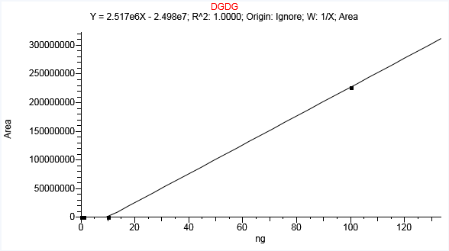

Linear
Pass
Level | Std_Amount | Std_Area | IS Amount | IS Area | Resp factor/ ratio | Calc_Amount | Units | % CV | % RSD
L1 | 100 | 226673629 |  |  | 2266736.288 | 100 | ng | N/A | N/A
L2 | 10 | 187889 |  |  | 18788.924 | 10 | ng | N/A | N/A
L3 | 1 | 0 |  | N/F | N/F | N/F | ng | N/A | N/A
L4 | 0.1 | 0 |  | N/F | N/F | N/F | ng | N/A | N/A
L5 | 0.01 | 0 |  | N/F | N/F | N/F | ng | N/A | N/A
L6 | 0.001 | 0 |  | N/F | N/F | N/F | ng | N/A | N/A

Sheet1C16PAF
Compound Calibration Report

Lab Name: | OGL |  |  | Method: | IPLsWithWaterSamples_FS_08-21-2018_Q-Cal_IPLsWithWaterSamples_Q_08-21_2018_FS
Instrument: | QEFocus |  |  |  | IPLsWithWaterSamples_Q_08-21_2018_FS
User: | Thermo |  |  | Cali File: | IPLsWithWaterSamples_FS_08-21-2018_Q-Cal.calx
Batch: | IPLsWithWaterSamples_FS_08-21-2018_Q-Cal

 |  |  | Compound Name: |  | C16PAF
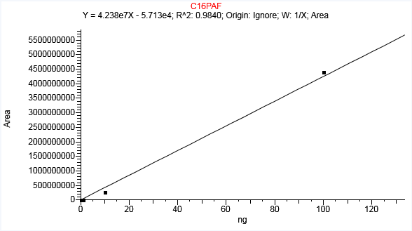

Linear
Fail AR
Level | Std_Amount | Std_Area | IS Amount | IS Area | Resp factor/ ratio | Calc_Amount | Units | % CV | % RSD
L1 | 100 | 4410547619 |  |  | 44105476.186 | 104.078 | ng | N/A | N/A
L2 | 10 | 283134384 |  |  | 28313438.36 | 6.683 | ng | N/A | N/A | A
L3 | 1 | 11625184 |  |  | 11625183.888 | 0.276 | ng | N/A | N/A | A
L4 | 0.1 | 2715566 |  |  | 27155662.247 | 0.065 | ng | N/A | N/A | A
L5 | 0.01 | 236294 |  |  | 23629358.377 | 0.007 | ng | N/A | N/A | A
L6 | 0.001 | 55959 |  |  | 55959414.616 | 0.003 | ng | N/A | N/A | A

